STEPS
STEPS IN PREPARING FINANCIAL STATEMENT:

JOURNAL
ENTRY
LEDGER
TRIAL
BALANCE
INCOME
STATEMENT
BALANCE SHEET

MANUAL FS

 | STEP 1: | STEP 2: | STEP 3: | STEP 4: | STEP 5:

VS. | Encode debit & credit journal entry (must be balanced) | Posting of each entry to T-accounts/ Ledger | Forward the total in each accounts fr Ledger to TB | Transfer applicable accounts fr TB to IS & compute the NI | Transfer applicable accounts fr TB to BS & forward the NI fr IS to Capital & BS

JOURNAL
ENTRY
LEDGER
DONE!
TRIAL BALANCE
DONE!
INCOME
STATEMENT
DONE!
BALANCE
SHEET
DONE!
 |  | with a press of macro button | real-time | real-time | real-time
EXCEL ACCTG. PROG.

SALES CHART
 | july 2026
Warehouse | West Ave | CSR | Imus | Laguna | Dasmarinas | Vito Cruz | Seven Eleven | TOTAL
52,431.61 | - | - | - | - | - | - | - | 52,431.61
 | august 2026
Warehouse | West Ave | CSR | Imus | Laguna | Dasmarinas | Vito Cruz | Seven Eleven | TOTAL
1,556,825.41 | - | - | - | - | - | - | 824,379.86 | 2,381,205.27

 | SEPTEMBER 2026
Warehouse | West Ave | CSR | Imus | Laguna | Dasmarinas | Vito Cruz | Seven Eleven | TOTAL
- | - | - | - | - | - | - | - | -
0
0

 | OCTOBER 2026
Warehouse | West Ave | CSR | Imus | Laguna | Dasmarinas | Vito Cruz | Seven Eleven | TOTAL
 |  |  |  |  |  |  |  | -

 | NOVEMBER 2026
Warehouse | West Ave | CSR | Imus | Laguna | Dasmarinas | Vito Cruz | Seven Eleven | TOTAL
 |  |  |  |  |  |  |  | -

 | DECEMBER 2026
Warehouse | West Ave | CSR | Imus | Laguna | Dasmarinas | Vito Cruz | Seven Eleven | TOTAL
 |  |  |  |  |  |  |  | -

CASH FLOW
 | 2026
 | JUNE | JULY
CASH FLOWS FROM OPERATING ACTIVITIES
Income/Loss before tax | 330,107.47 | (1,215,179.96)
Depreciation Expense | - | 139,420.11
Income (loss) before working capital changes | 330,107.47 | (1,075,759.85)

Accounts Receivables | 818,879.10 | 1,404,437.33 | POSITIVE: | DECREASE
Inventories | (5,490,238.25) | (1,114,282.00) | NEGATIVE: | INCREASE
Advances to | (878,728.36) | (424,161.46)

Current Liabilities | 4,715,249.52 | 4,369,995.45 | POSITIVE: | INCREASE
 |  |  | NEGATIVE: | DECREASE
Cash generated from (used for ) operation | (834,837.99) | 4,235,989.32

Net Cash provided by (used in) operating activities | (504,730.52) | 3,160,229.47

CASH FLOWS FROM INVESTING ACTIVITIES
Fixed assets | - | - | POSITIVE: | DECREASE
Net Cash provided by (used in) investing activities | - | - | NEGATIVE: | INCREASE

CASH FLOWS FROM FINANCING ACTIVITIES
Advances from | 1,176,857.31 | 537,602.91
Bank Loan | 1,200,000.00 | -
Divident paid / Withdrawal/Adjustment | - | (655,360.81)
Net Cash provided by (used in) financing activities | 2,376,857.31 | (117,757.90)

INCREASE (DECREASE) IN CASH | 1,872,126.79 | 3,042,471.57
CASH AT BEG OF THE YEAR PER AFS | 8,450,361.53 | 10,322,488.32

CASH, END OF THE YEAR | 10,322,488.32 | 13,364,959.90

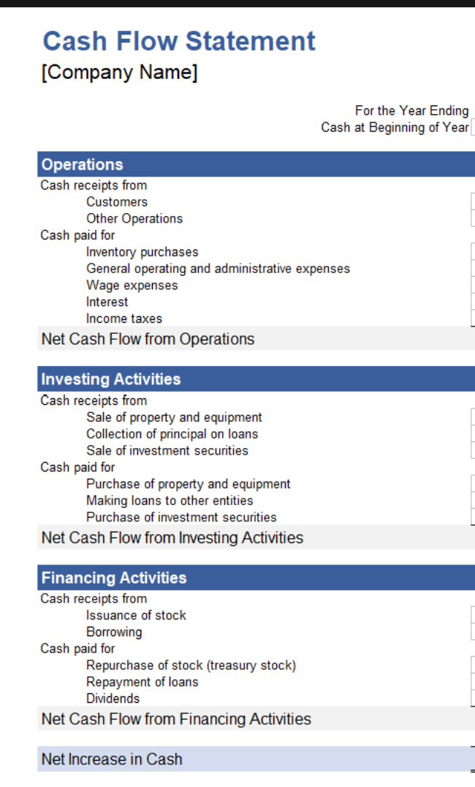

box up computation shipping

cbm*9000/pcs

 |  |  | #REF!

 |  |  | #REF!

 |  |  | #REF!

 |  |  | #REF!
 |  |  | #REF!
 |  |  | #REF!

 |  |  | #REF!

 |  |  | #REF!

 |  |  | #REF!

 |  |  | #REF!
 |  |  | #REF!
 |  |  | #REF!

